USB WiFi 4
 |  | 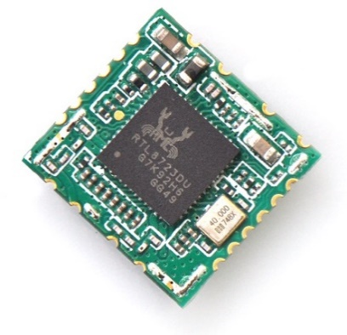 | 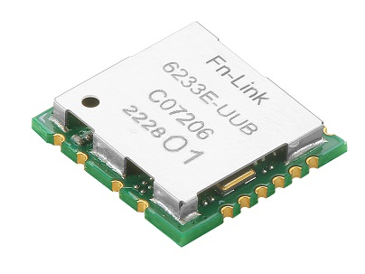
Part Number |  | FG6223EUUD-W1 | FG6233EUUB-00 | FG6233EUUB-01
Platform | Module Supplier | FN-Link | FN-Link
 | Chip Supplier | Realtek | Realtek
 | Chip Part Number | RTL8723DU | RTL8733BU-CG
 | Interface Wi-Fi | USB2.0 | USB2.0
 | Interface Bluetooth | USB2.0, PCM | USB2.0
 | Linux & Android / Mainline Driver | yes / no | yes / no
 | Windows | Windows10 | Windows10
Wireless | Bluetooth Standard | V4.2 , BLE | V5.2, BLE
 | WiFi Standard | WiFi 4 | WiFi 4
 | MIMO | 1x1 | 1x1
 | Frequency | 2.4GHz | 2.4 GHz & 5 GHz
 | Bandwidth | HT20/HT40 | HT20/HT40
 | Antenna Data Rate | 150 Mbps | 150Mbps
 | Antenna Configuration | [BT,2G] | [2G]+[2G,5G,BT] | [2G,5G,BT]
 | Antenna Type | 1 x pin | 2 x pins | 1 x pin
 | Monitor Mode | yes | yes
 | Full AP / Soft AP | no / yes | no / yes
Module Spec | Power Supply | 3.3V | 3.3V
 | Dimension (mm) | 12.2 x 13 | 12.2 x 12.9
 | Package | LGA | LGA
 | Temperature Range | 0°C to 70°C | -20°C to 70°C
 | Mounting | single side | single side
 | Carrier / QTY | Tape & Reel / 1500 | Tape & Reel / 1500
 | MOQ | 3000 | 3000
 | Weight | 0.37 g | 0.65 g
 | Regulatory Compliance | CE, FCC, BQB, SRRC | CE,FCC,SRRC
DVK |  | yes | yes

 | Sample Shop | FG6223EUUD-W1 | FG6233EUUB-01
 | English: | click here | click here
 | German: | click here | click here

USB WiFi 5
 |  | 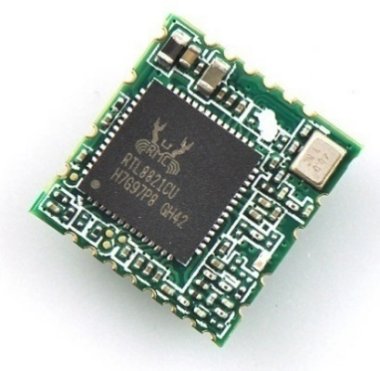 | 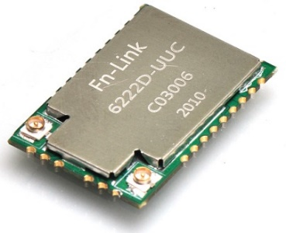
Part Number |  | FG6221EUUC-06 | FG6221EUUC-07 | FG6222DUUC-W2 | BLUE-BEAN-C | BLUE-BEAN-A
Platform | Module Supplier | FN-Link | FN-Link | 8Devices | 8Devices
 | Chip Supplier | Realtek | Realtek | Qualcomm | Qualcomm
 | Chip Part Number | RTL8821CU | RTL8822CU-CG | QCA9377-7 | QCA9377-7
 | Interface Wi-Fi | USB2.0 | USB2.0 | USB 2.0 | USB 2.0
 | Interface Bluetooth | USB2.0, PCM | USB2.0 | USB1.1 | USB1.1
 | Linux & Android / Mainline Driver | yes / no | yes / no | yes / no | yes / no
 | Windows | Windows10 | Windows10 | yes | yes
Wireless | Bluetooth Standard | V4.2 , BLE | V5.0, BLE | V5.0, BLE | V5.0, BLE
 | WiFi Standard | WiFi 5 | WiFi 5 | WiFi 5 | WiFi 5
 | MIMO | 1x1 | MU 2x2 | MU 1x1 | MU 1x1
 | Frequency | 2.4 GHz & 5 GHz | 2.4 GHz & 5 GHz | 2.4 GHz & 5 GHz | 2.4 GHz & 5 GHz
 | Bandwidth | VHT20/VHT40/VHT80 | VHT20/VHT40/VHT80 | VHT20/VHT40/VHT80 | VHT20/VHT40/VHT80
 | Antenna Data Rate | 433 Mbps | 866 Mbps | 433 Mbps | 433 Mbps
 | Antenna Configuration | [BT,2G,5G] | [BT,5G]+[2G] | [BT]+[2G,5G]+[2G,5G] | [BT,2G,5G] | [BT,2G,5G]
 | Antenna Type | 1 x pin | 2 x pins | 1 x pin + 2 x IPEX | Murata HSC connector | integrated antenna
 | Monitor Mode | yes | yes | yes | yes
 | Full AP / Soft AP | no / yes | no / yes | no / yes | no / yes
Module Spec | Power Supply | 3.3V | 3.3V | 3.3V | 3.3V
 | Dimension (mm) | 13 x 12.2 | 18 x 27 | 17 x 12 | 24 x 12
 | Package | LGA | LGA | LGA | LGA
 | Temperature Range | 0°C to 70°C | 0°C to 70°C | -40°C to +85°C | -40°C to +85°C
 | Mounting | single side | single side | dual side | dual side
 | Carrier / QTY | Tape & Reel / 1500 | Tape & Reel / 800 | Tray / 78 | Tray / 60
 | MOQ | 3000 | 1600 | 78 | 60
 | Weight | 0.45 g | 1.58 g | 0,9 g | 1,1 g
 | Regulatory Compliance | CE, FCC, IC, BQB, SRRC | CE, FCC, SRRC, TELEC | CE, FCC, IC, UKCA | CE, FCC, IC, UKCA
DVK |  | yes | yes | yes | yes

 | Sample Shop | FG6221EUUC-06 | FG6222DUUC-W2 | BLUE-BEAN-C | BLUE-BEAN-A
 | English: | click here | click here | click here | click here
 | German: | click here | click here | click here | click here

USB WiFi 6
 |  | 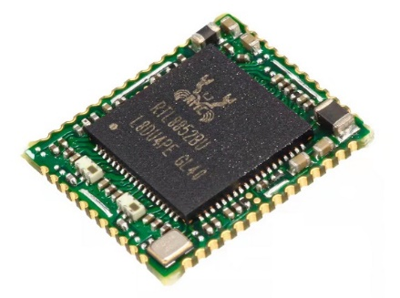 | 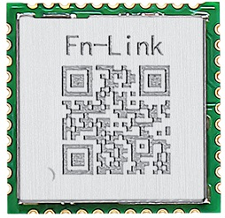 | 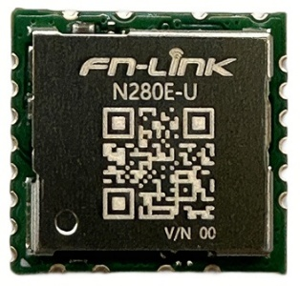
Part Number |  | FG6252BUUB-00 | FGN240ASRB-00 | FGN280EUXX-00
Platform | Module Supplier | FN-Link | FN-Link | FN-Link
 | Chip Supplier | Realtek | AIC | AIC
 | Chip Part Number | RTL8852BU-CG | AIC8800M40B | AIC8800D80
 | Interface Wi-Fi | USB2.0 | USB2.0 or SDIO3.0 | USB2.0
 | Interface Bluetooth | USB V2.0 / PCM | UART | USB2.0
 | Linux & Android / Mainline Driver | yes / no | yes / no | yes / no
 | Windows | Windows10 | yes | yes
Wireless | Bluetooth Standard | V5.2, BLE | BLE 5.4 | BLE 5.4
 | WiFi Standard | WiFi 6 | WiFi 6 | WiFi 6
 | MIMO | MU 2x2 | MU 1x1 | MU 1x1
 | Frequency | 2.4 GHz & 5 GHz | 2.4 GHz & 5 GHz | 2.4 GHz & 5 GHz
 | Bandwidth | HE20/HE40/HE80 | HE20/HE40 | HE20/HE40/HE80
 | Antenna Data Rate | 1201 Mbps | 286.8 Mbps | 600 Mbps
 | Antenna Configuration | [BT]+[2G,5G]+[2G,5G] | [2G,5G,BT] | [2G,5G,BT]
 | Antenna Type | 3 x pins | 1 x pin | 1 x pin
 | Monitor Mode | yes | yes | yes
 | Full AP / Soft AP | no / yes | no / yes | no / yes
Module Spec | Power Supply | 3.3V | 3.3V | 3.3V
 | Dimension (mm) | 13 x 15 | 12 x 12 | 12.9 x 12.2
 | Package | LGA | LGA | LGA
 | Temperature Range | -10°C to 70°C | -20°C to 85°C | -20°C to 80°C
 | Mounting | single side | single side | single side
 | Carrier / QTY | Tape & Reel / 1500 | Tape & Reel / 1500 | Tape & Reel / 1500
 | MOQ | 1500 | 1500 | 1500
 | Weight | 0.91 g | 0.61 g | 0.63 g
 | Regulatory Compliance | CE, FCC, SRRC | TBD | TBD
DVK |  | yes | yes | yes

 | Sample Shop | FG6252BUUB-00 | FGN240ASRB-00 | FGN280EUXX-00
 | English: | click here | click here | click here
 | German: | click here | click here | click here

SDIO HaLow
 |  | 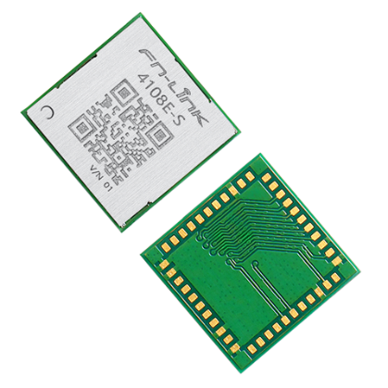
Part Number |  | FG4108ESXX-01
Platform | Module Supplier | FN-Link
 | Chip Supplier | Morse Micro
 | Chip Part Number | MM6108
 | Interface Wi-Fi | SDIO 2.0 or SPI
 | Interface Bluetooth | NA
 | Linux & Android / Mainline Driver | yes / no
 | Windows | no
Wireless | Bluetooth Standard | no
 | WiFi Standard | IEEE 802.11 ah
 | MIMO | 1x1
 | Frequency | 850 - 950 MHz
 | Bandwidth | 1/2/4/8 MHz
 | Antenna Data Rate | 32.5Mbps@8MHz, 15Mbps@4MHz
 | Antenna Configuration | one antenna
 | Antenna Type | 1 x pin
 | Monitor Mode | yes
 | Full AP / Soft AP | yes / yes
Module Spec | Power Supply | 3.3V
 | Dimension (mm) | 13 x 13
 | Package | LGA
 | Temperature Range | -40°C to 85°C
 | Mounting | single side
 | Carrier / QTY | Tape & Reel / 1500
 | MOQ | 1500
 | Weight | 0.7 g
 | Regulatory Compliance | CE, FCC
DVK |  | yes

 | Sample Shop | FG4108ESXX-01
 | English: | click here
 | German: | click here

SDIO WiFi 4
 |  | 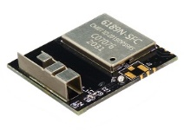 | 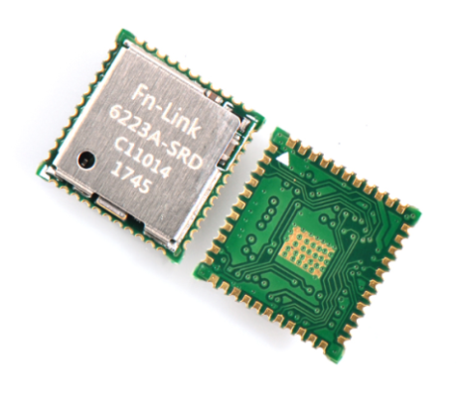 | 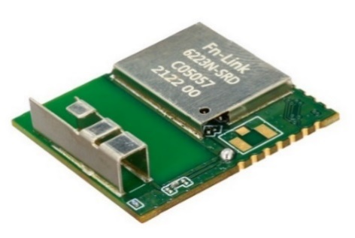 | 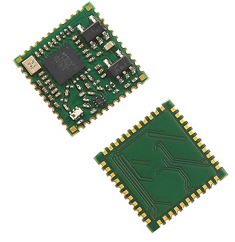 | 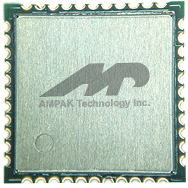
Part Number |  | FG6189NSFC-00 | FG6223ASRD-W4 | FG6223NSRD-00 | FGL216ASRX-00 | FGL216ASRX-01 | AP6212 A
Platform | Module Supplier | FN-Link | FN-Link | FN-Link | FN-Link | Ampak
 | Chip Supplier | Realtek | Realtek | Realtek | NXP | Synaptics
 | Chip Part Number | RTL8189FTV-VC-CG | RTL8723DS | RTL8723DS-CG | IW416UK | SYN43436
 | Interface Wi-Fi | SDIO2.0 | SDIO2.0 | SDIO2.0 | SDIO3.0 | SDIO2.0
 | Interface Bluetooth | NA | UART | UART | UART, PCM | UART, PCM
 | Linux & Android / Mainline Driver | yes / no | yes / no | yes / no | yes / no | yes / no
 | Windows | Windows10 | Windows10 | Windows10 | no | no
Wireless | Bluetooth Standard | no | V4.2 , BLE | V4.2, BLE | V5.2, BLE | V5.2, BLE
 | WiFi Standard | WiFi 4 | WiFi 4 | WiFi 4 | WiFi 4 | WiFi 4
 | MIMO | 1x1 | 1x1 | 1x1 | 1x1 | 1x1
 | Frequency | 2.4GHz | 2.4GHz | 2.4GHz | 2.4 GHz & 5 GHz | 2,4Ghz
 | Bandwidth | HT20/HT40 | HT20/HT40 | HT20/HT40 | HT20/HT40 | HT20/HT40
 | Antenna Data Rate | 150 Mbps | 150 Mbps | 150 Mbps | 150 Mbps | 72Mbps
 | Antenna Configuration | [2G] | [BT,2G] | [2G,BT] | [BT,2G,5G] | [BT,2G]
 | Antenna Type | 1 x integrated | 1 x pin | 1 x integrated | 1 x pin | 1 x pin
 | Monitor Mode | yes | yes | yes | yes | yes
 | Full AP / Soft AP | no / yes | no / yes | no / yes | no / yes | no / yes
Module Spec | Power Supply | 3.3V | 3.3V | 3.3V | 3.3V | 3.3V
 | Dimension (mm) | 23 x 21 | 12 x 12 | 23 x 21 | 12 x 12 | 12 x 12
 | Package | LGA | LGA | LGA | LGA | Stamp type
 | Temperature Range | 0°C to 70°C | -10°C to 70°C | 0°C to 70°C | 0°C to 70°C | -40°C to 85°C | -30°C to 85°C
 | Mounting | single side | single side | single side | single side | single side
 | Carrier / QTY | Tape & Reel /350 | Tape & Reel / 1500 | Tape & Reel / 2000 | Tape & Reel / 1500 | Tape & Reel / 1500
 | MOQ | 2100 | 3000 | 2000 | 3000 | 1500
 | Weight | 1.65 g | 0.54 g | 1.65 g | 0.437 g | 11,3g
 | Regulatory Compliance | CE, FCC, IC, SRRC | CE, FCC, IC, SRRC, BQB, TELEC, KCC | CE, FCC, IC, BQB, SRRC | upon request | CE
DVK |  | yes | yes | yes | yes | yes

 | Sample Shop | FG6189NSFC-00 | FG6223ASRD-W4 | FG6223NSRD-00 | FGL216ASRX-00 | AP6212A
 | English: | click here | click here | click here | click here | click here
 | German: | click here | click here | click here | click here | click here

SDIO WiFi 5
 |  | 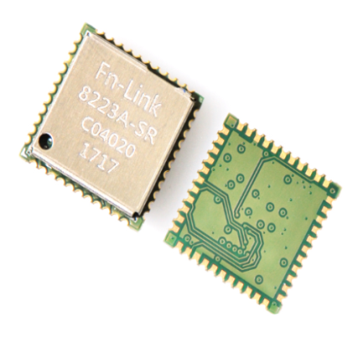 | 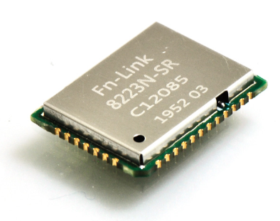 | 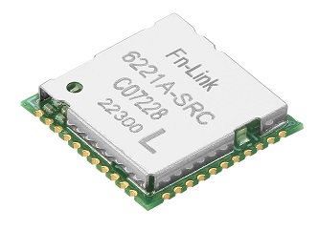 |  | 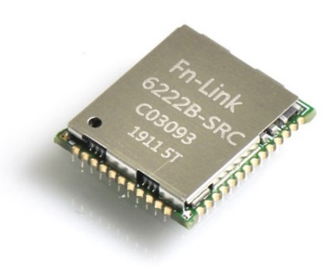 | 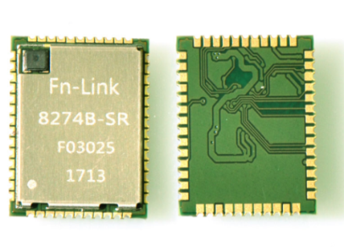 | 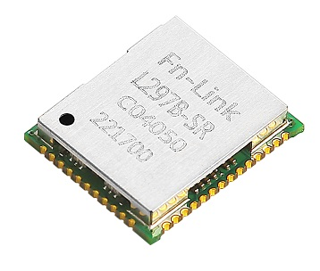
Part Number |  | FG1023SM13-W2 | FG8223NSRX-03 | FG6221ASRC-0L | FG6221ASRC-01 | FG6222BSRC-E0 | FG6222BSRC-E1 | FG8274BSRX-00 | FGL297BSRX-00 | RED-BEAN-C | RED-BEAN-A | AP6256 | AP6203BM
Platform | Module Supplier | FN-Link | FN-Link | FN-Link | FN-Link | FN-Link | FN-Link | FN-Link | 8Devices | 8Devices | Ampak | Ampak
 | Chip Supplier | Qualcomm | Qualcomm | Realtek | Realtek | Realtek | Qualcomm | NXP | Qualcomm | Qualcomm | Synaptics | Synaptics
 | Chip Part Number | QCA-1023-0 | QCA-1023-0 | RTL8821CS-CG | RTL8821CS-VI-CG | RTL8822CS-VE-CG | QCA-6174A-3 | 88W8997 | QCA9377-3 | QCA9377-3 | SYN43456 | SYN430132
 | Interface Wi-Fi | SDIO3.0 | SDIO3.0 | SDIO3.0 | SDIO3.0 | SDIO3.0 | SDIO3.0 | SDIO3.0 | SDIO3.0 | SDIO3.0 | SDIO3.0 | SDIO3.0
 | Interface Bluetooth | UART, PCM | UART, PCM | UART, PCM | UART, PCM | UART, PCM | UART, PCM | UART, PCM | UART | UART | UART, PCM | UART, PCM
 | Linux & Android / Mainline Driver | yes / no | yes / no | yes / no | yes / no | yes / no | yes / no | yes/ no | yes/ no | yes/ no | yes / no | yes / no
 | Windows | Windows 10, 8.1, 7 | Windows 10, 8.1, 7 | Windows10 | Windows10 | Windows10 | Windows 10, 8.1, 7 | no | no | no | no | no
Wireless | Bluetooth Standard | V5.0, BLE | V5.0, BLE | V4.2, BLE | V4.2, BLE | V5.0 , BLE | V5.0, BLE | V5.0, BLE | V5.0, BLE | V5.0, BLE | V5.2, BLE | V5.2, BLE
 | WiFi Standard | WiFi 5 | WiFi 5 | WiFi 5 | WiFi 5 | WiFi 5 | WiFi 5 | WiFi 5 | WiFi 5 | WiFi 5 | WiFi 5 | WiFi 5
 | MIMO | MU 1x1 | MU 1x1 | MU 1x1 | MU 1x1 | 2x2 | 2x2 | MU 2x2 | MU 1x1 | MU 1x1 | 1x1 | 1x1
 | Frequency | 2.4 GHz & 5 GHz | 2.4 GHz & 5 GHz | 2.4 GHz & 5 GHz | 2.4 GHz & 5 GHz | 2.4 GHz & 5 GHz | 2.4 GHz & 5 GHz | 2.4 GHz & 5 GHz | 2.4 GHz & 5 GHz | 2.4 GHz & 5 GHz | 2.4 GHz & 5 GHz | 2.4 GHz & 5 GHz
 | Bandwidth | VHT20/VHT40/VHT80 | VHT20/VHT40/VHT80 | VHT20/VHT40/VHT80 | VHT20/VHT40/VHT80 | VHT20/VHT40/VHT80 | VHT20/VHT40/VHT80 | VHT20/VHT40/VHT80 | VHT20/VHT40/VHT80 | VHT20/VHT40/VHT80 | VHT20/VHT40/VHT80 | VHT20/VHT40/VHT80
 | Antenna Data Rate | 433 Mbps | 433 Mbps | 433 Mbps | 433 Mbps | 866 Mbps | 866 Mbps | 866 Mbps | 433 Mbps | 433 Mbps | 433 Mbps | 433 Mbps
 | Antenna Configuration | [BT,2G,5G] | [BT,2G,5G] | [BT,2G,5G] | [BT,2G,5G] | [BT,2G,5G]+[2G,5G]|[BT]+[2G,5G]+[2G,5G] | [BT,2G,5G]+[2G,5G] | [2G,5G]+[2G,5G,BT] | [BT,2G,5G] | [BT,2G,5G] | [BT,2G,5G] | [BT,2G,5G]
 | Antenna Type | 1 x pin | 1 x pin | 1 x pin | 1 x pin | 3 x pins | 2 x pins | 2 x pins | 2 x pins | Murata HSC connector | integrated antenna | 1 x pin | 1 x pin
 | Monitor Mode | yes | yes | yes | yes | yes | yes | yes | yes | yes | yes | yes
 | Full AP / Soft AP | no / yes | no / yes | no / yes | no / yes | no / yes | no / yes | no / yes | no / yes | no / yes | no / yes | no / yes
Module Spec | Power Supply | 3.3V | 3.3V | 3.3V | 3.3V | 3.3V | 3.3V | 3.3V | 3.3V | 3.3V | 3.3V | 3.3V
 | Dimension (mm) | 12 x 12 | 16.6 x 13 | 12 x 12 | 12 x 12 | 15 x 13 | 13 x 15 | 13 x 15 | 17 x 12 | 24 x 12 | 12 x 12 | 12 x 12
 | Package | LGA | LGA | LGA | LGA | LGA | LGA | LGA | LGA | LGA | Stamp type | Stamp type
 | Temperature Range | -40°C to 85°C | -40°C to 85°C | 0°C to 70°C | -40°C to 85°C | 0°C to 70°C | -30°C to 85°C | -30°C to 85°C | -40°C to +85°C | -40°C to +85°C | -30°C to 85°C | -30°C to 85°C
 | Mounting | single side | single side | single side | single side | single side | single side | single side | dual side | dual side | single side | single side
 | Carrier / QTY | Tape & Reel / 1500 | Tape & Reel / 2000 | Tape & Reel / 1500 | Tape & Reel / 1500 | Tape & Reel / 1500 | Tape & Reel / 1500 | Tape & Reel / 1500 | Tray / 78 | Tray / 60 | Tape & Reel / 1500 | Tape & Reel / 1500
 | MOQ | 3000 | 2000 | 3000 | 3000 | 1500 | 1500 | 3000 | 78 | 60 | 1500 | 1500
 | Weight | 0.53 g | 0.86 g | 0.52 g | 0.52 g | 0.84 g | 0.64 g | 0.82 g | 0,9 g | 1,1 g | 11,3g | 11,3g
 | Regulatory Compliance | CE, FCC, IC, TELEC, SRRC, RCM, KCC | TBD | CE, SRRC | KC | CE, SRRC, BQB, WPC, FCC, KCC | CE, SRRC | FCC | CE, FCC, IC, UKCA | CE, FCC, IC, UKCA | CE | CE
DVK |  | yes | yes | yes | yes | yes | yes | yes |  |  | yes | yes

 | Sample Shop | FG1023SM13-W2 | FG8223NSRX-03 | FG6221ASRC-0L | FG6221ASRC-01 | FG6222BSRC-E1 | FG8274BSRX-00 | FGL297BSRX-00 | RED-BEAN-C | RED-BEAN-A | AP6256 | AP6203BM
 | English: | click here | click here | click here | click here | click here | click here | click here | click here | click here | click here | click here
 | German: | click here | click here | click here | click here | click here | click here | click here | click here | click here | click here | click here

SDIO WiFi 6
 |  | 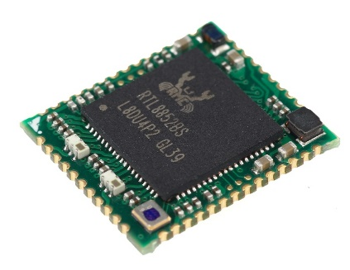 |  |  |  | 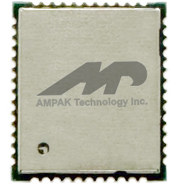
Part Number |  | FG6252BSRB-03 | FGN240ASRB-00 | AP6611S | AP6281S | AP6275S
Platform | Module Supplier | FN-Link | FN-Link | Ampak | Ampak | Ampak
 | Chip Supplier | Realtek | AIC | Synaptics | Synaptics | Synaptics
 | Chip Part Number | RTL8852AS-CG | AIC8800M40B | SYN43711 | SYN4381 | SYN43752
 | Interface Wi-Fi | SDIO3.0 | SDIO3.0 or USB2.0 | SDIO3.0 | SDIO3.0 | SDIO3.0
 | Interface Bluetooth | UART, PCM | UART | UART, PCM | UART, PCM | UART, PCM
 | Linux & Android / Mainline Driver | yes / no | yes / no | yes / no | yes / no | yes / no
 | Windows | no | yes | no | no | no
Wireless | Bluetooth Standard | V5.2, BLE | BLE 5.4 | V5.3, BLE | V5.2, BLE | V5.3, BLE
 | WiFi Standard | WiFi 6 | WiFi 6 | WiFi 6E | WiFi 6E | WiFi 6
 | MIMO | MU 2x2 | MU 1x1 | MU 1x1 | MU 1x1 | MU 2x2
 | Frequency | 2.4 GHz & 5 GHz | 2.4 GHz & 5 GHz | 2.4 GHz , 5 GHz, 6Ghz | 2.4 GHz , 5 GHz, 6Ghz | 2.4 GHz & 5 GHz
 | Bandwidth | HE20/HE40/HE80 | HE20/HE40 | HE20/HE40/HE80 | HE20/HE40/HE80 | HE20/HE40/HE80
 | Antenna Data Rate | 1201 Mbps | 286.8 Mbps | 1201 Mbps | 600Mbps | 1201 Mbps
 | Antenna Configuration | [2G,5G]+[2G,5G]+[BT] | [2G,5G,BT] | [2G,5G,6G,BT] | [2G,5G,6G,BT] | [2G,5G,BT]+[2G,5G]
 | Antenna Type | 3 x pins | 1 x pin | 1 x pin | 1 x pin | 2 x pins
 | Monitor Mode | yes | yes | yes | yes | yes
 | Full AP / Soft AP | no / yes | no / yes | no / yes | no / yes | no / yes
Module Spec | Power Supply | 3.3V | 3.3V | 3.3V | 3.3V | 3.3V
 | Dimension (mm) | 15 x 13 | 12x12 | 12x12 | 12x12 | 15x13
 | Package | LGA | LGA | LGA | LGA | LGA
 | Temperature Range | 0°C to 70°C | -20°C to 85°C | -30°C-85° C | -30°C-85° C | -30°C-85° C
 | Mounting | single side | single side | single side | single side | single side
 | Carrier / QTY | Tape & Reel / 1500 | Tape & Reel / 1500 | Tray 1500 | Tray 1500 | Tray 1500
 | MOQ | 1500 | 1500 | 1500 | 1500 | 1500
 | Weight | 0.67 g | 0.61 g | 0.67 g | 0.67 g | 0.67 g
 | Regulatory Compliance | CE, FCC, SRRC | TBD | CE tbd | CE | CE
DVK |  | yes | yes | yes | yes | yes

 | Sample Shop | FG6252BSRB-03 | FGN240ASRB-00 | AP6611S | AP6281S | AP6275S
 | English: | click here | click here
 | German: | click here | click here

SDIO WiFi 7
 |  |  | 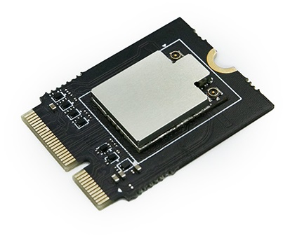
Part Number |  | MQC2072-1-10-1|2U | MQC2072-1-16-1|2U
Platform | Module Supplier | Meticomm | Meticomm
 | Chip Supplier | Qualcomm | Qualcomm
 | Chip Part Number | QCC-2072 | QCC-2072
 | Interface Wi-Fi | SDIO 3.0/PCIe 2.0 | SDIO 3.0/PCIe 2.0, M.2 E Key
 | Interface Bluetooth | USB/I2S | UART/PCM | USB/I2S | UART/PCM
 | Linux & Android / Mainline Driver | yes / no | yes / no
 | Windows | NA | NA
Wireless | Bluetooth Standard | V 6 | V 6
 | WiFi Standard | WiFi 7 | WiFi 7
 | MIMO | Tri Band MLSR and eMLSR | Tri Band MLSR and eMLSR
 | Frequency | 2.4 GHz, 5 GHz, 6 GHz | 2.4 GHz, 5 GHz, 6 GHz
 | Bandwidth | EHT320 | EHT320
 | Antenna Data Rate | 5.8Gbps | 5.8Gbps
 | Antenna Configuration | [2G,5G,6G]+[2G,5G,6G,BT] | [2G,5G,6G]+[2G,5G,6G,BT]
 | Antenna Type | 2 x MHF-4 | 2 x MHF-4
 | Monitor Mode | yes | yes
 | Full AP / Soft AP | no / yes | no / yes
Module Spec | Power Supply | 3.3V, 1.8V (IO port) | 3.3V, 1.8V (IO port)
 | Dimension (mm) | 12 x 16 | 22 x 30
 | Package | M.2 1216, LGA | M.2 Key E 2230
 | Temperature Range | -30°C to +85°C | -30°C to +85°C
 | Mounting | single side | dual side
 | Carrier / QTY | Reel / 1000 | Reel / 500
 | MOQ | 100 | 100
 | Weight | 0.8 | 2.2
 | Regulatory Compliance | CE, FCC | CE, FCC
DVK |  | no | no

 | Sample Shop | MQC2072-1-10-1U | MQC2072-1-16-1U
 | English: | click here | click here
 | German: | click here | click here
 |  | MQC2072-1-10-2U | MQC2072-1-16-2U
 | English: | click here | click here
 | German: | click here | click here

PCIe WiFi 5
 |  | 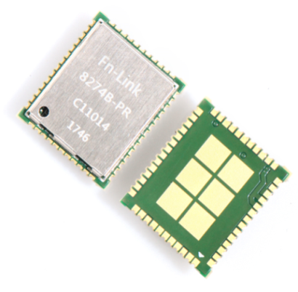 | 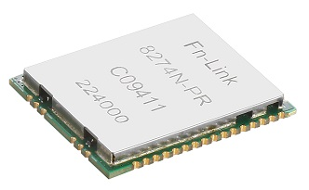
Part Number |  | FG8274BPRX-01 | FG8274NPRX-01 | BLACK-BEAN
Platform | Module Supplier | FN-Link | FN-Link | 8Devices
 | Chip Supplier | Qualcomm | Qualcomm | Qualcomm
 | Chip Part Number | QCA-6174A-1 | QCA-6574A-1 | QCA9377-5
 | Interface Wi-Fi | low power PCIe 2.1 | PCIe | PCIe 2.0 / M.2
 | Interface Bluetooth | UART, PCM | UART, PCM | USB 1.1 / M.2
 | Linux & Android / Mainline Driver | yes / yes | yes / yes | yes / from V4.4 upwards
 | Windows | Windows 10, 8.1, 7 | Win CE, XP,Win7, Win10 | Windows 10 & 11
Wireless | Bluetooth Standard | V5.0, BLE | V5.0, BLE | V5.0, BLE
 | WiFi Standard | WiFi 5 | WiFi 5 | WiFi 5
 | MIMO | 2x2 | 2x2 | MU 1x1
 | Frequency | 2.4 GHz & 5 GHz | 2.4 GHz & 5 GHz | 2.4 GHz & 5 GHz
 | Bandwidth | VHT20/VHT40/VHT80 | VHT20/VHT40/VHT80 | VHT20/VHT40/VHT80
 | Antenna Data Rate | 866 Mbps | 866 Mbps | 433 Mbps
 | Antenna Configuration | [BT,2G,5G]+[2G,5G] | [BT,2G,5G]+[2G,5G] | [BT,2G,5G] + Diversity
 | Antenna Type | 2 x pins | 2 x pins | 2 x Murata HSC connector
 | Monitor Mode | yes | yes | yes
 | Full AP / Soft AP | no / yes | no / yes | no / yes
Module Spec | Power Supply | 3.3V | 3.3V | 3.3V
 | Dimension (mm) | 13 x 15 | 23.4 x 19.4 | 30 x 16,5
 | Package | LGA | LGA | M.2 16530 A+E key
 | Temperature Range | -30°C to 85°C | -40°C to 85°C | 0°C to +70°C
 | Mounting | single side | single side | dual side
 | Carrier / QTY | Tape & Reel / 1500 | Tape & Reel / 1000 | Tray / 56
 | MOQ | 1500 | 1000 | 56
 | Weight | 0.69 g | 2.1 | 5
 | Regulatory Compliance | CE, FCC | CE | CE, FCC, IC
DVK |  | yes | yes | yes

 | Sample Shop | FG8274BPRX-01 | FG8274NPRX-01 | BLACK-BEAN
 | English: | click here | click here | click here
 | German: | click here | click here | click here

PCIe WiFi 6
AEC-Q100
miniPCIe
 |  | 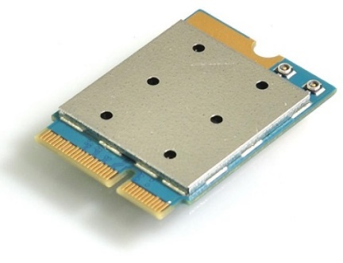 | 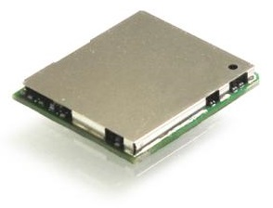 |  | 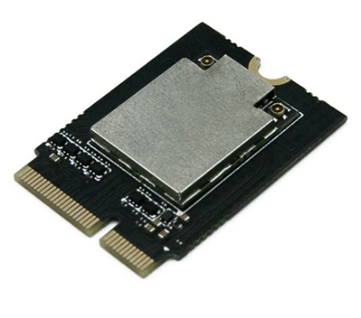 | 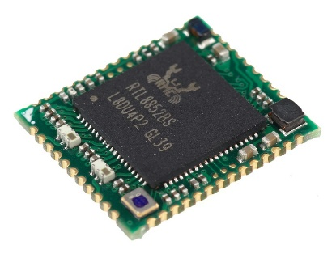 | 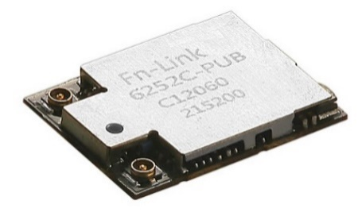 | 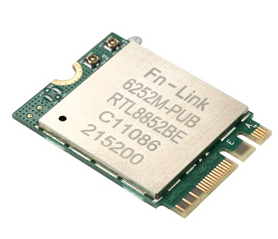 | 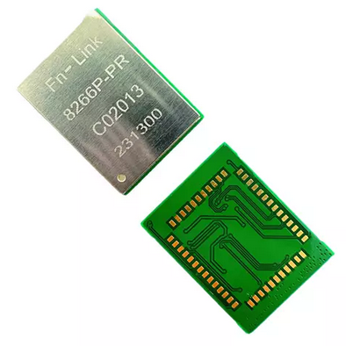 | 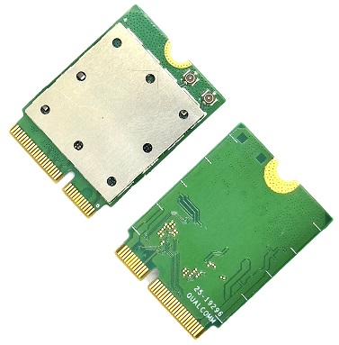 | 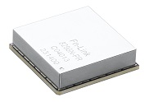 | 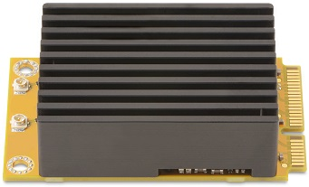 | 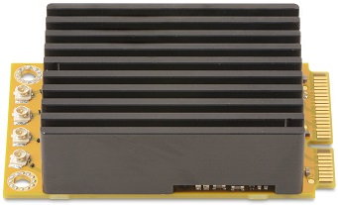 | 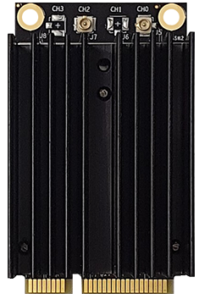 | 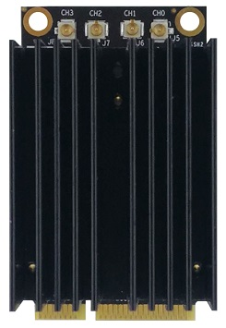 | 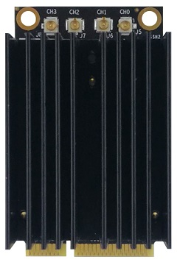 | 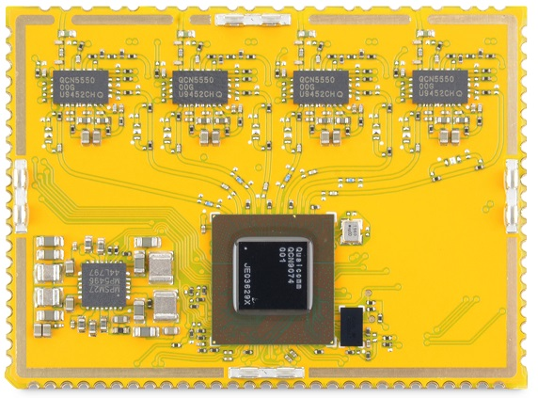 |  |  | 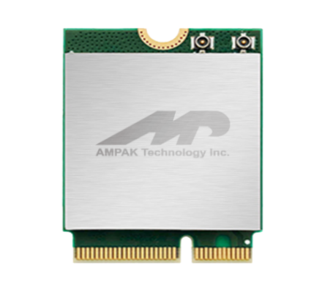 | 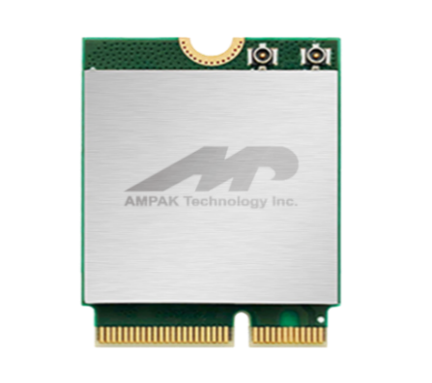
Part Number |  | FG8291MPRX-00 | FG8291NPRX-00 | MQC2064-0|5-40-0U | MQC2064-0|5-46-0U | FG6252BPRX-02 | FG6252BPRX-03 | FG6252CPUB-00 | FG6252MPUB-05 | FG8266PPRX-00 | FG8266MPUX-00 | FG8296NPRX-00 | MiniPini25 2x2 | MiniPini25-I 2x2 | MiniPini25 4x4 | MiniPni25-I 4x4 | WLE3002HX | WLE3002HX-I | WLE3000HX | WLE3000HX-I | WLE3000H56 | WLE3000H56-I | Pineapple2 | Pineapple2-I | Pineapple5 | Pineapple5-I | Pineapple6 | Pineapple6-I | AP12275M2P | AP6275P | AP12276M2P
Platform | Module Supplier | FN-Link | FN-Link | Meticomm | Meticomm | FN-Link | FN-Link | FN-Link | FN-Link | FN-Link | FN-Link | 8Devices | 8Devices | Compex | Compex | Compex | 8Devices | 8Devices | 8Devices | Ampak | Ampak | Ampak
 | Chip Supplier | Qualcomm | Qualcomm | Qualcomm | Qualcomm | Realtek | Realtek | Realtek | Qualcomm | Qualcomm | Qualcomm | Qualcomm | Qualcomm | Qualcomm | Qualcomm | Qualcomm | Qualcomm | Qualcomm | Qualcomm | Synaptics | Synaptics | Synaptics
 | Chip Part Number | QCA-6391-0 | QCA-6391-0 | QCA-2064 | QCA-2064 | RTL8852BE-VR-CG | RTL8852BE-CG | RTL8852BE-VB-CG | QCA-2066-0 | QCA-2066-5 | QCA-6696-0 | QCN-9072-0 | QCN-9072-1 | QCN-9074-0 | QCN-9074-1 | QCN-6024, QCN-9024 |QCN-9074-1 | QCN-6024, QCN-9024 |QCN-9074-1 | QCN-9024 |QCN-9074-1 | QCN-9074-0 | QCN-9074-1 | QCN-9074-0 | QCN-9074-1 | QCN-9074-0 | QCN-9074-1 | SYN43752 | SYN43752 | SYN43756
 | Interface Wi-Fi | PCIe 2.0, M.2 2230 Key E | PCIe 2.0 | PCIe 3.0 | PCIe 3.0, M.2 Key E 2230 | PCIe 2.1 | low power PCIe 1.1 | PCIe 1.1,M.2 2230 A+E Key | low Power PCIe 3.0 | PCIe 3.0, M.2 2230 Key E | Low Power PCIe one lane | PCIe 3.0, mini-PCIe | PCIe 3.0, mini-PCIe | PCIe 3.0, mini-PCIe | PCIe 3.0, mini-PCIe | PCIe 3.0, mini-PCIe | PCIe 3.0, pins | PCIe 3.0, pins | PCIe 3.0, pins | PCI/M.2 | PCIe | PCI/M.2
 | Interface Bluetooth | UART, PCM | UART, PCM | UART/PCM | USB | UART/PCM | USB | UART, PCM | USB | USB 2.0 | UART, PCM | USB, PCM | UART, PCM | NA | NA | NA | NA | NA | NA | NA | NA | UART, PCM | UART, PCM | UART, PCM
 | Linux & Android / Mainline Driver | yes / no | yes / no | yes / no | yes / no | yes / no | yes / no | yes / no | yes / no | yes / no | yes / no | yes / from 5.4 upward | yes / from 5.4 upward | yes / from 5.4 upward | yes / from 5.4 upward | yes / from 5.4 upward | yes / from 5.4 upward | yes / from 5.4 upward | yes / from 5.4 upward | yes / no | yes / no | yes / no
 | Windows | Windows 10 | Windows 10 | NA | NA | Win CE/XP/WIN7/WIN10 | Windows10/7/XP | Win10/Win11 | WIN7/WIN10/XP | WIN7/WIN10/XP | WIN7/WIN10/XP | NA | NA | NA | NA | NA | NA | NA | NA | no | no | no
Wireless | Bluetooth Standard | V5.1, BLE | V5.1, BLE | V 5.3, BLE | V 5.3, BLE | V5.2, BLE | V5.4, BLE | V5.4, BLE | V5.3, BLE | V5.3, BLE | V5.2, BLE | NA | NA | NA | NA | NA | NA | NA | NA | V5.1, BLE | V5.3, BLE | V5.2, BLE
 | WiFi Standard | WiFi 6 | WiFi 6 | WiFi 6 | WiFi 6 | WiFi 6 | WiFi 6 | WiFi 6 | WiFi 6E | WiFi 6E | WiFi 6 | WiFi 6 | WiFi 6 | WiFi 6 | WiFi 6 | WiFi 6E | WiFi 6 | WiFi 6 | WiFi 6E | WiFi 6 | WiFi 6 | WiFi 6E
 | MIMO | MU 2x2 | MU 2x2 | MU 2x2 | MU 2x2 | MU 2x2 | MU 2x2 | MU 2x2 | MU 2x2 | MU 2x2 | MU 2x2 | MU 2x2 | MU 4x4 | MU 2x2 | MU 4x4 | MU 4x4 | MU 4x4 | MU 4x4 | MU 4x4 | MU 2x2 | MU 2x2 | MU 2x2
 | Frequency | 2.4 GHz & 5 GHz, DBS | 2.4 GHz & 5 GHz, DBS | 2.4 GHz & 5 GHz, DBS | 2.4 GHz & 5 GHz, DBS | 2.4 GHz & 5 GHz | 2.4 GHz & 5 GHz | 2.4 GHz & 5 GHz | 2.4 GHz, 5 GHz, 6GHz, DBS | 2.4 GHz, 5 GHz, 6GHz, DBS | 2.4 GHz, 5 GHz, DBS | 2.4 GHz & 5 GHz | 2.4 GHz & 5 GHz | 2.4 GHz & 5 GHz | 2.4 GHz & 5 GHz | 5 GHz & 6 GHz | 2.4 GHz | 5 GHz | 6 GHz | 2.4 GHz & 5 GHz | 2.4 GHz & 5 GHz | 2.4 GHz , 5 GHz, 6Ghz
 | Bandwidth | HE20/HE40/HE80 | HE20/HE40/HE80 | HE20/HE40/HE80 /HE160 | HE20/HE40/HE80 /HE160 | HE20/HE40/HE80 | HE20/HE40/HE80 | HE20/HE40/HE80 | HE20/HE40/HE80/HE160 | HE20/HE40/HE80/HE160 | HE20/HE40/HE80 | HE20/HE40/HE80/HE160 | HE20/HE40/HE80/HE160 | HE20/HE40/HE80/HE160 | HE20/HE40/HE80/HE160 | HE20/HE40/HE80/HE160 | HE20/HE40 | HE20/HE40/HE80/HE160 | HE20/HE40/HE80/HE160 | HE20/HE40/HE80 | HE20/HE40/HE80 | HE20/HE40/HE80
 | Antenna Data Rate | 1775 Mbps | 1775 Mbps | 3.6 Gbps | 3.6 Gbps | 1201 Mbps | 1201 Mbps | 1201 Mbps | 2976 Mbps | 2976 Mbps | 1774 Mbps | 2402 Mbps | 4804 Mbps | 2402 Mbps | 4804 Mbps | 4804 Mbps | 1200 Mbps | 4804 Mbps | 4804 Mbps | 1201 Mbps | 1201 Mbps | 1201 Mbps
 | Antenna Configuration | [BT,2G,5G]+[2G,5G] | [BT,2G,5G]+[2G,5G] | [2G,5G]+[2G,5G,BT] | [2G,5G]+[2G,5G,BT] | [2G,5G]+[2G,5G,BT] | [BT,2G,5G]+[2G,5G] | [BT,2G,5G]+[2G,5G] | [BT,2G,5G]+[2G,5G] | [BT,2G,5G]+[2G,5G] | [2G,5G]+[2G,5G]+[BT] | [2G,5G]+[2G,5G] | [2G,5G]+[2G,5G]+[2G,5G]+[2G,5G] | [2G,5G]+[2G,5G] | [2G,5G]+[2G,5G]+[2G,5G]+[2G,5G] | [5G,6G]+[5G,6G]+[5G,6G]+[5G,6G] | [2G] + [2G] + [2G] + [2G] | [5G] + [5G] + [5G] + [5G] | [6G] + [6G] + [6G] + [6G] | [2G,5G,BT] + [2G,5G] | [2G,5G,BT] + [2G,5G] | [2G,5G,6G,BT] + [2G,5G,6G]
 | Antenna Type | 2 x IPEX | 2 x pins | 2 x MHF-4 | 2 x MHF-4 | 2 x pins | 3 x pins | 2 x IPEX | 2 x IPEX | 2 x pins | 2 x IPEX | 3 x pins | 2 x U.FL connectors | 4 x U.FL connectors | 2 x U.FL connectors | 4 x U.FL connectors | 4 x U.FL connectors | 4 x Pins | 4 x Pins | 4 x Pins | 2 x U.FL connectors | 2 x pins | 2 x U.FL connectors
 | Monitor Mode | yes | yes | yes | yes | yes | yes | yes | yes | yes | yes | yes | yes | yes | yes | yes | yes | yes | yes | yes | yes | yes
 | Full AP / Soft AP | no / yes | no / yes | no / yes | no / yes | no / yes | no / yes | no / yes | no / yes | no / yes | no / yes | yes / yes | yes / yes | yes / yes | yes / yes | yes / yes | yes / yes | yes / yes | yes / yes | no / yes | no / yes | no / yes
Module Spec | Power Supply | 3.3V | 3.3V | 3.3V, 1.8V (IO port) | 3.3V, 1.8V (IO port) | 3.3V | 3.3V | 3.3V | 3.3V | 3.3V | 3.3V | 3.3V | 3.3V | 3.3V | 3.3V | 3.3V | 3.3V , 5V | 3.3V , 5V | 3.3V , 5V | 3.3V | 3.3V | 3.3V
 | Dimension (mm) | 22 x 30 | 19.5 x 21.5 | 12 x 16 | 12 x 16 | 15.2 x 13.2 | 16 x 12 | 22 x 30 | 15 x 20 | 22 x 30 | 23 x 23 | 50.95 x 30 | 50.95 x 30 | 50.8 x 30 x 8.5 | 50.8 x 30 x 12 | 30 x 50.8 x 13.5 | 35 x 47 | 35 x 47 | 35 x 47 | 22 x 30x 2,02 | 15x13 | 22 x 30
 | Package | M.2 2230 Key E module | Small SMT LGA | M.2 1216, LGA | M.2 Key E 2230 | LGA | LGA | M.2 2230 A+E Key | LGA | M.2 2230 Key E module | LGA | mini PCIe card | mini PCIe card | mini PCIe card | mini PCIe card | mini PCIe card | LGA | LGA | LGA | LGA | LGA | LGA
 | Temperature Range | -30°C to 75°C | -30°C to 75°C | -30°C to +85°C | -30°C to +85°C | -10°C to 70°C | 0°C to 70°C | 0°C to 70°C | -30C°C to 85°C | -20°C to 70°C | -40°C to 85°C, AEC-Q100 | 0°C to +60°C | -40°C to +85°C | 0°C to +60°C | -40°C to +85°C | -20°C to 70°C | -40°C to +85°C | -20°C to 70°C | -40°C to +85°C | -20°C to 70°C | -40°C to +85°C | 0°C to +65°C | -40°C to +85°C | 0°C to +65°C | -40°C to +85°C | 0°C to +65°C | -40°C to +85°C | -30°C to 85°C | -30°C to 85°C | -30°C to 85°C
 | Mounting | dual side | sinlge side | single side | single side | single side | single side | single side | single side | dual side | sinlge side | dual side | dual side | dual side | dual side | dual side | dual side | dual side | dual side | single side | single side | single side
 | Carrier / QTY | Tray / 30 | Tape & Reel / 500 | Reel / 900 | Reel / 500 | Tape & Reel / 1500 | Tape & Reel /2000 | Tray / 1500 | Tape & Reel / 800 | Tray / 30 | Tape & Reel / 500 | bubble wrap package | bubble wrap package | Tray / 50 | Tray / 50 | Tray / 50 | Tray / 18 | Tray / 18 | Tray / 18 | Tray 1500 | Tray 1500 | Tray 1500
 | MOQ | 1800 | 1500 | 100 | 100 | 3000 | 2000 | 1500 | 1600 | 1500 | 1500 | 10 | 10 | 10 | 10 | 10 | 18 | 18 | 18 | 1500 | 1500 | 1500
 | Weight | 2.6 g | 1.9 g | 1.1 g | 2.5 g | 0.8 g | 0.75 g | 2.6 | 0.8 g | 2.8 g | 3.56 g | 28 | 28 | 48 | 48 | 48 | 43 | 43 | 43 | 0.67 g | 0.67 g | 0.67 g
 | Regulatory Compliance | CE, FCC, SRRC | CE, SRRC | CE, FCC | CE, FCC | CE, FCC, SRRC | CE, FCC, TELEC, UKCA | CE, FCC, IC, KCC, MIC, NCC, SRRC | CE | Upon request | CE | CE, FCC, IC, UKCA | CE, FCC, IC, UKCA | RED, FCC | CE, FCC | CE | TBD | CE, FCC, IC, UKCA | CE, FCC, IC, UKCA | CE | CE | tbd
DVK |  | no | yes | no | no | yes | yes | yes | yes | no | yes | no | no | no | no | no | no | no | no | no | YES | no

 | Sample Shop | FG8291MPRX-00 | FG8291NPRX-00 | MQC2064-0-40-0U | MQC2064-0-46-0U | FG6252BPRX-03 | FG6252CPUB-00 | FG6252MPUB-05 | FG8266PPRX-00 | FG8266MPUX-00 | FG8296NPRX-00 | MiniPni25 2x2 | MiniPni25 4x4 | WLE3002HX (QCN-6024) | WLE3000HX (QCN-6024) | WLE3000H56 | Pineapple2 | Pineapple5 | Pineapple6 | AP12275_M2P | AP6276P | AP12276M2P
 | English: | click here | click here | click here | click here | click here | click here | click here | click here | click here | click here | click here | click here | click here | click here | click here | click here | click here | click here | click here | click here
 | German: | click here | click here | click here | click here | click here | click here | click here | click here | click here | click here | click here | click here | click here | click here | click here | click here | click here | click here | click here | click here
 |  |  |  | MQC2064-5-40-0U | MQC2064-5-46-0U |  |  |  |  |  |  | MiniPni25-I 2x2 | MiniPni25-I 4x4 | WLE3002HX (QCN-9024) | WLE3000HX (QCN-9024) | WLE3000H56 -I | Pineapple2-I | Pineapple5-I | Pineapple6-I
 | English: |  |  | click here | click here |  |  |  |  |  |  | click here | click here | click here | click here | click here | click here | click here | click here
 | German: |  |  | click here | click here |  |  |  |  |  |  | click here | click here | click here | click here | click here | click here | click here | click here
 |  |  |  |  |  |  |  |  |  |  |  |  |  | WLE3002HX-I (QCN-9074) | WLE3000HX-I (QCN-9074)
 | English: |  |  |  |  |  |  |  |  |  |  |  |  | click here | click here
 | German: |  |  |  |  |  |  |  |  |  |  |  |  | click here | click here

PCIe WiFi 7
miniPCIe, Single Band, 4x4
M.2 E Key, Single Band, 4x4
M.2 A+E Key, Single Band, 4x4
M.2 A+E Key, Dual Band, 2x2
miniPCIe, Dual Band, 2x2
M.2 E Key, Dual Band, 2x2
M.2 B+M Key, Dual Band, 2x2
 |  | 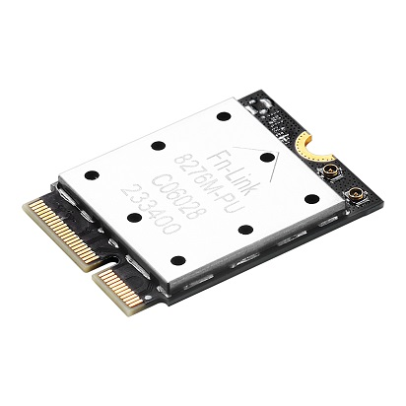 | 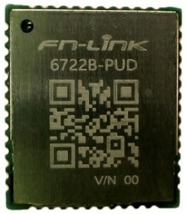 |  |  | 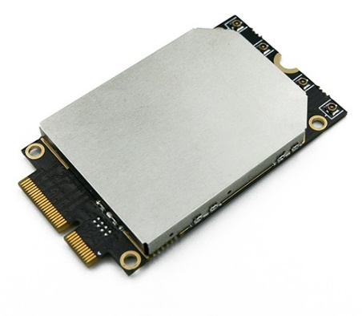 |  |  |  | 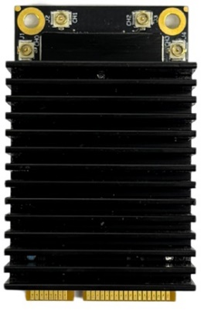 |  | 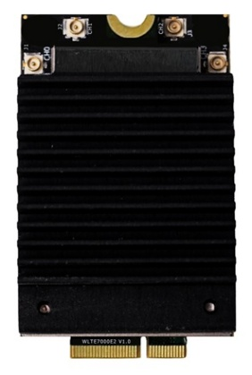 | 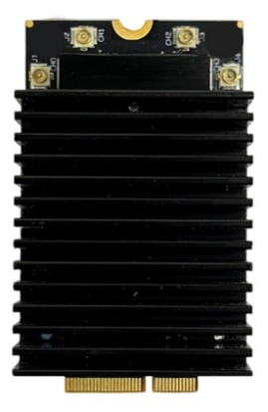 | 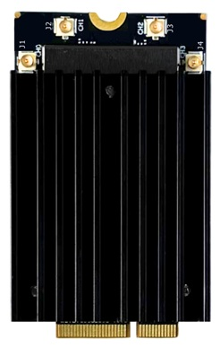 |  | 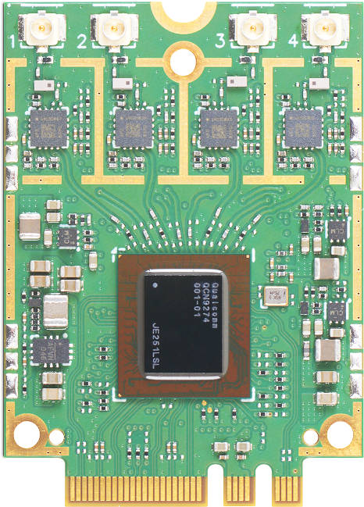 |  |  |  |  |  | 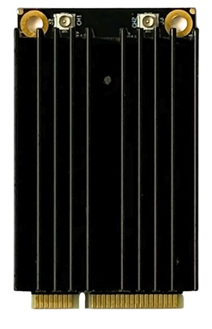 |  |  |  |  |  |  |  | 
Part Number |  | FG8276MPUX-00 | FG6722BPUD-00 | MQC2072-1-10-1|2U | MQC2072-1-16-1|2U | MQC6274-0-0B-1U | MQC6274-0-0B-2U | MQC9274-1-0B-3U | WLE7000E2 | WLE7000E2-I | WLE7000E5 | WLE7000E5-I | WLE7000E6 | WLE7000E6-I | WLTE7000E2 | WLTE7000E2-I | WLTE7000E5 | WLTE7000E5-I | WLTE7000E6 | WLTE7000E6-I | Noni56M2-B | Noni56M2 | Noni56M2-I | Noni56M2-2x2-B | Noni56M2-2x2 | Noni56M2-2x2-I | WLE7002E25 | WLE7002E25-I | WLE7002E26 | WLE7002E26-I | WLE7002E55 | WLE7002E55-I | WLE7002E56 | WLE7002E56-I | WLTE7002E25 | WLTE7002E25-I | WLTE7002E26 | WLTE7002E26-I | WLTE7002E55 | WLTE7002E55-I | WLTE7002E56 | WLTE7002E56-I | WLTB7002E25 | WLTB7002E25-I | WLTB7002E26 | WLTB7002E26-I | WLTB7002E55 | WLTB7002E55-I | WLTB7002E56 | WLTB7002E56-I
Platform | Module Supplier | FN-Link | FN-Link | Meticomm | Meticomm | Meticomm | Meticomm | Meticomm | Compex | Compex | Compex | Compex | Compex | Compex | 8Devices | 8Devices | 8Devices | 8Devices | Compex | Compex | Compex | Compex | Compex | Compex | Compex | Compex | Compex | Compex | Compex | Compex
 | Chip Supplier | Qualcomm | Realtek | Qualcomm | Qualcomm | Qualcomm | Qualcomm | Qualcomm | Qualcomm | Qualcomm | Qualcomm | Qualcomm | Qualcomm | Qualcomm | Qualcomm | Qualcomm | Qualcomm | Qualcomm | Qualcomm | Qualcomm | Qualcomm | Qualcomm | Qualcomm | Qualcomm | Qualcomm | Qualcomm | Qualcomm | Qualcomm | Qualcomm | Qualcomm
 | Chip Part Number | QCC-2076 | RTL8922DE-VL-CG | QCC-2072 | QCC-2072 | QCN-6274 | QCN-6274 | QCN-9274 | QCN-6224-0 | QCN-9274-1 | QCN-6224-0 | QCN-9274-1 | QCN-6274-0 | QCN-9274-1 | QCN-6224-0 | QCN-9274-1 | QCN-6224-0 | QCN-9274-1 | QCN-6274-0 | QCN-9274-1 | QCN-6274-0 | QCN-9274-0 | QCN-9274-1 | QCN-6274-0 | QCN-9274-0 | QCN-9274-1 | QCN-6224-0 | QCN-9274-1 | QCN-6274-0 | QCN-9274-1 | QCN-6274-0 | QCN-9274-1 | QCN-6274-0 | QCN-9274-1 | QCN-6224-0 | QCN-9274-1 | QCN-6274-0 | QCN-9274-1 | QCN-6274-0 | QCN-9274-1 | QCN-6274-0 | QCN-9274-1 | QCN-6224-0 | QCN-9274-1 | QCN-6274-0 | QCN-9274-1 | QCN-6274-0 | QCN-9274-1 | QCN-6274-0 | QCN-9274-1
 | Interface Wi-Fi | Low Power PCIe, M.2 E Key | PCIe | PCIe 2.0/SDIO 3.0 | PCIe 2.0/ SDIO 3.0, M.2 E Key | PCIe 3.0, M.2 E Key | PCIe 3.0, M.2 E Key | PCIe 3.0, M.2 E Key | PCIe 3.0, miniPCIe | PCIe 3.0, miniPCIe | PCIe 3.0, miniPCIe | PCIe 3.0, M.2 E Key | PCIe 3.0, M.2 E Key | PCIe 3.0, M.2 E Key | PCIe 3.0, M.2 A+E Key | PCIe 3.0, M.2 A+E Key | PCIe 3.0, M.2 A+E Key | PCIe 3.0, M.2 A+E Key | PCIe 3.0, miniPCIe | PCIe 3.0, miniPCIe | PCIe 3.0, miniPCIe | PCIe 3.0, miniPCIe | PCIe 3.0, M.2 E Key | PCIe 3.0, M.2 E Key | PCIe 3.0, M.2 E Key | PCIe 3.0, M.2 E Key | PCIe 3.0, M.2 B+M Key | PCIe 3.0, M.2 B+M Key | PCIe 3.0, M.2 B+M Key | PCIe 3.0, M.2 B+M Key
 | Interface Bluetooth | USB | USB/UART/PCM | USB/I2S | UART/PCM | USB/I2S | UART/PCM | NA | NA | NA | NA | NA | NA | NA | NA | NA | NA | NA | NA | NA | NA | NA | NA | NA | NA | NA | NA | NA | NA | NA | NA | NA
 | Linux & Android / Mainline Driver | yes / no | yes / no | yes / no | yes / no | yes / from 5.4.213 upwards | yes / from 5.4.213 upwards | yes / from 5.4.213 upwards | yes / from 5.4.213 upwards | yes / from 5.4.213 upwards | yes / from 5.4.213 upwards | yes / from 5.4.213 upwards | yes / from 5.4.213 upwards | yes / from 5.4.213 upwards | yes / from 5.4.213 upwards | yes / from 5.4.213 upwards | yes / from 5.4.213 upwards | yes / from 5.4.213 upwards | yes / from 5.4.213 upwards | yes / from 5.4.213 upwards | yes / from 5.4.213 upwards | yes / from 5.4.213 upwards | yes / from 5.4.213 upwards | yes / from 5.4.213 upwards | yes / from 5.4.213 upwards | yes / from 5.4.213 upwards | yes / from 5.4.213 upwards | yes / from 5.4.213 upwards | yes / from 5.4.213 upwards | yes / from 5.4.213 upwards
 | Windows | WIN7/WIN10/XP | yes | NA | NA | NA | NA | NA | NA | NA | NA | NA | NA | NA | NA | NA | NA | NA | NA | NA | NA | NA | NA | NA | NA | NA | NA | NA | NA | NA
Wireless | Bluetooth Standard | V5.3, BLE | V5.4, BLE | V 6 | V 6 | NA | NA | NA | NA | NA | NA | NA | NA | NA | NA | NA | NA | NA | NA | NA | NA | NA | NA | NA | NA | NA | NA | NA | NA | NA
 | WiFi Standard | WiFi 7 | WiFi 7 | WiFi 7 | WiFi 7 | WiFi 7 | WiFi 7 | WiFi 7 | WiFi 7 | WiFi 7 | WiFi 7 | WiFi 7 | WiFi 7 | WiFi 7 | WiFi 7 | WiFi 7 | WiFi 7 | WiFi 7 | WiFi 7 | WiFi 7 | WiFi 7 | WiFi 7 | WiFi 7 | WiFi 7 | WiFi 7 | WiFi 7 | WiFi 7 | WiFi 7 | WiFi 7 | WiFi 7
 | MIMO | [MU 2x2 + 2x2, DBS] | [MU 2x2 + 2x2, DBS] | Tri Band MLSR and eMLSR | Tri Band MLSR and eMLSR | [MU 2x2 + 2x2, DBS/MLO] | [MU 2x2 + 2x2, DBS/MLO] | MU 4x4 | MU 4x4 | MU 4x4 | MU 4x4 | MU 4x4 | MU 4x4 | MU 4x4 | MU 4x4 | MU 4x4 | MU 2x2 + 2x2 DBS | MU 2x2 + 2x2 DBS | [MU 2x2 + 2x2, DBS] | [MU 2x2 + 2x2, DBS] | [MU 2x2 + 2x2] | [MU 2x2 + 2x2, DBS] | [MU 2x2 + 2x2, DBS] | [MU 2x2 + 2x2, DBS] | [MU 2x2 + 2x2] | [MU 2x2 + 2x2, DBS] | [MU 2x2 + 2x2, DBS] | [MU 2x2 + 2x2, DBS] | [MU 2x2 + 2x2] | [MU 2x2 + 2x2, DBS]
 | Frequency | 2.4 GHz, 5 GHz, 6 GHz | 2.4 GHz, 5 GHz, 6 GHz | 2.4 GHz, 5 GHz, 6 GHz | 2.4 GHz, 5 GHz, 6 GHz | 2.4 GHz, 5 GHz or 6 GHz | 5 GHz, 6 GHz | 5 - 7GHz | 2.4GHz | 5GHz | 6GHz | 2.4GHz | 5GHz | 6GHz | 5 GHz or 6 GHz | 5 GHz or 6 GHz | 5 GHz & 6 GHz | 5 GHz & 6 GHz | 2.4 GHz & 5 GHz | 2.4 GHz & 6 GHz | 5L GHz & 5H GHz | 5 GHz & 6 GHz | 2.4 GHz & 5 GHz | 2.4 GHz & 6 GHz | 5L GHz & 5H GHz | 5 GHz & 6 GHz | 2.4 GHz & 5 GHz | 2.4 GHz & 6 GHz | 5L GHz & 5H GHz | 5 GHz & 6 GHz
 | Bandwidth | EHT160 | EHT160 | EHT320 | EHT320 | EHT320 | EHT320 | EHT320 | EHT40 | EHT240 | EHT320 | EHT40 | EHT240 | EHT320 | EHT5 to EHT320 | EHT5 to EHT320 | EHT5 to EHT320 | EHT5 to EHT320 | EHT240 | EHT320 | EHT240 | EHT320 | EHT240 | EHT320 | EHT240 | EHT320 | EHT240 | EHT320 | EHT240 | EHT320
 | Antenna Data Rate | 5.3 Gbps | 2.4 Gbps | 5.8Gbps | 5.8Gbps | 6.5Gbps | 8.7Gbps | 11.5Gbps | 1376Mbps | 8647Mbps | 11530Mbps | 1376Mbps | 8647Mbps | 11530Mbps | 11.5 Gbps | 11.5 Gbps | 11.5 Gbps | 11.5 Gbps | 688 Mbps + 4324 Mbps | 688 Mbps + 5765 Mbps | 2882 Mbps + 2882 Mbps | 2882 Mbps + 5765 Mbps | 688 Mbps + 4324 Mbps | 688 Mbps + 5765 Mbps | 2882 Mbps + 2882 Mbps | 2882 Mbps + 5765 Mbps | 688 Mbps + 4324 Mbps | 688 Mbps + 5765 Mbps | 2882 Mbps + 2882 Mbps | 2882 Mbps + 5765 Mbps
 | Antenna Configuration | [2G,5G,6G,BT]+[2G,5G,6G,BT] | [BT]+[2G,5G,6G]+[2G,5G,6G,BT] | [2G,5G,6G]+[2G,5G,6G,BT] | [2G,5G,6G]+[2G,5G,6G,BT] | [2G,5G,6G]+[2G,5G,6G] | [5G]+[5G]+[6G]+[6G] | [5G,6G]+[5G,6G]+[5G,6G]+[5G,6G] | [2G] + [2G] + [2G] + [2G] | [5G] + [5G] + [5G] + [5G] | [6G] + [6G] + [6G] + [6G] | [2G] + [2G] + [2G] + [2G] | [5G] + [5G] + [5G] + [5G] | [6G] + [6G] + [6G] + [6G] | [5G,6G]+[5G,6G]+[5G,6G]+[5G,6G] | [5G,6G]+[5G,6G]+[5G,6G]+[5G,6G] | [5G,6G]+[5G,6G]+[5G,6G]+[5G,6G] | [5G,6G]+[5G,6G]+[5G,6G]+[5G,6G] | [2G,5G] + [2G,5G] | [2G,6G] + [2G,6G] | [5LG,5HG] + [5LG,5HG] | [5G,6G] + [5G,6G] | [2G,5G] + [2G,5G] | [2G,6G] + [2G,6G] | [5LG,5HG] + [5LG,5HG] | [5G,6G] + [5G,6G] | [2G,5G] + [2G,5G] | [2G,6G] + [2G,6G] | [5LG,5HG] + [5LG,5HG] | [5G,6G] + [5G,6G]
 | Antenna Type | 2 x IPEX | 3 x pin | 2 x MHF-4 | 2 x MHF-4 | 2 x MHF-4 | 4 x MHF-4 | 4 x MHF-4 | 4 x U.FL | 4 x U.FL | 4 x U.FL | 4 x U.FL | 4 x U.FL | 4 x U.FL | 4 x U.FL | 4 x U.FL | 4 x U.FL | 4 x U.FL | 2 x U.FL | 2 x U.FL | 2 x U.FL | 2 x U.FL | 2 x U.FL | 2 x U.FL | 2 x U.FL | 2 x U.FL | 2 x U.FL | 2 x U.FL | 2 x U.FL | 2 x U.FL
 | Monitor Mode | yes | yes | yes | yes | yes | yes | yes | yes | yes | yes | yes | yes | yes | yes | yes | yes | yes | yes | yes | yes | yes | yes | yes | yes | yes | yes | yes | yes | yes
 | Full AP / Soft AP | no / yes | no / yes | no / yes | no / yes | yes / yes | yes / yes | yes / yes | yes/yes | yes/yes | yes/yes | yes/yes | yes/yes | yes/yes | yes / yes | yes / yes | yes / yes | yes / yes | yes / yes | yes / yes | yes / yes | yes / yes | yes / yes | yes / yes | yes / yes | yes / yes | yes / yes | yes / yes | yes / yes | yes / yes
Module Spec | Power Supply | 3.3V | 3.3V | 3.3V, 1.8V (IO port) | 3.3V, 1.8V (IO port) | 3.3V, 5V (FEM) | 3.3V, 5V (FEM) | 3.3V, 5V (FEM) | 3.3V | 3.3V | 3.3V | 3.3V | 3.3V | 3.3V | 3.3V | 3.3V | 3.3V | 3.3V | 3.3V | 3.3V | 3.3V | 3.3V | 3.3V | 3.3V | 3.3V | 3.3V | 3.3V | 3.3V | 3.3V | 3.3V
 | Dimension (mm) | 22 x 30 | 13 x 15 | 12 x 16 | 22 x 30 | 30 x 52 | 30 x 52 | 30 x 52 | 30 x 50.8 x 13 | 30 x 50.8 x 20.3 | 30 x 50.8 x 25.4 | 30 x 52 x 13.1 | 30 x 52 x 20.1 | 30 x 52 x 25.1 | 30x42 | 30x42 | 30x42 | 30x42 | 30 x 50.8 x 13 | 30 x 50.8 x 20.3 | 30 x 50.8 x 20.3 | 30 x 50.8 x 25.4 | 30 x 52 x 13.1 | 30 x 52 x 20.1 | 30 x 52 x 20.1 | 30 x 52 x 25.1 | 30 x 52 x 13.1 | 30 x 52 x 20.1 | 30 x 52 x 20.1 | 30 x 52 x 25.1
 | Package | M.2 2230 E Key | LGA | M.2 1216, LGA | M.2 Key E 2230 | M.2 Key E 3052 | M.2 Key E 3052 | M.2 Key E 3052 | miniPCIe | miniPCIe | miniPCIe | M.2 E Key | M.2 E Key | M.2 E Key | M.2 3042 A+E Key | M.2 3042 A+E Key | M.2 3042 A+E Key | M.2 3042 A+E Key | miniPCIe | miniPCIe | miniPCIe | miniPCIe | M.2 3052 E Key | M.2 3052 E Key | M.2 3052 E Key | M.2 3052 E Key | M.2 3052 B+M Key | M.2 3052 B+M Key | M.2 3052 B+M Key | M.2 3052 B+M Key
 | Temperature Range | -30°C to 85°C | -10°C to 70°C | -30°C to +85°C | -30°C to +85°C | 0°C to 50°C | 0°C to 50°C | -40°C to +85°C | -20°C to 70°C | -40°C to +85°C | -20°C to 70°C | -40°C to +85°C | -20°C to 70°C | -40°C to +85°C | -20°C to 70°C | -40°C to +85°C | -20°C to 70°C | -40°C to +85°C | -20°C to 70°C | -40°C to +85°C | 0°C to +65°C | 0°C to +65°C | -40°C to +85°C | 0°C to +65°C | 0°C to +65°C | -40°C to +85°C | -20°C to 70°C | -40°C to +85°C | -20°C to 70°C | -40°C to +85°C | -20°C to 70°C | -40°C to +85°C | -20°C to 70°C | -40°C to +85°C | -20°C to 70°C | -40°C to +85°C | -20°C to 70°C | -40°C to +85°C | -20°C to 70°C | -40°C to +85°C | -20°C to 70°C | -40°C to +85°C | -20°C to 70°C | -40°C to +85°C | -20°C to 70°C | -40°C to +85°C | -20°C to 70°C | -40°C to +85°C | -20°C to 70°C | -40°C to +85°C
 | Mounting | dual side | single side | single side | dual side | dual side | dual side | dual side | dual side | dual side | dual side | dual side | dual side | dual side | dual side | dual side | dual side | dual side | dual side | dual side | dual side | dual side | dual side | dual side | dual side | dual side | dual side | dual side | dual side | dual side
 | Carrier / QTY | Tray / 30 | Reel / 1500 | Reel / 1000 | Reel / 500 | Reel / 200 | Reel / 200 | Reel / 200 | Tray / 50 | Tray / 50 | Tray / 50 | Tray / 50 | Tray / 50 | Tray / 50 | Tray / 20 | Tray / 20 | Tray / 20 | Tray / 20 | Tray / 50 | Tray / 50 | Tray / 50 | Tray / 50 | Tray / 50 | Tray / 50 | Tray / 50 | Tray / 50 | Tray / 50 | Tray / 50 | Tray / 50 | Tray / 50
 | MOQ | 1500 | 1500 | 100 | 100 | 100 | 100 | 100 | 5 | 5 | 5 | 5 | 5 | 5 | 5 | 5 | 5 | 5 | 5 | 5 | 5 | 5 | 5 | 5 | 5 | 5 | 5 | 5 | 5 | 5
 | Weight | 2.53 | 0.88 | 0.8 | 2.2 | 6.9 | 6.9 | 6.9 | 30g | 30g | 30g | 30g | 30g | 30g | 30g (with heatsink), 5g (without) | 30g (with heatsink), 5g (without) | 30g (with heatsink), 5g (without) | 30g (with heatsink), 5g (without) | 30g | 30g | 30g | 30g | 30g | 30g | 30g | 30g | 30g | 30g | 30g | 30g
 | Regulatory Compliance | Upon Request | CE, SRRC | CE, FCC | CE, FCC | CE, FCC | CE, FCC | CE, FCC | Upon Request | CE, FCC, IC | Upon Request | Upon Request | CE, FCC, IC | Upon Request | CE, FCC, IC, UKCA | CE, FCC, IC, UKCA | CE, FCC, IC, UKCA | CE, FCC, IC, UKCA | CE, FCC, IC | CE, FCC, IC | CE, FCC, IC | CE, FCC, IC | CE, FCC, IC | CE, FCC, IC | CE, FCC, IC | CE, FCC, IC | CE, FCC, IC | CE, FCC, IC | CE, FCC, IC | CE, FCC, IC
DVK |  | no |  | no | no | no | no | no | no | no | no | no | no | no | no | no | no | no | no | no | no | no | no | no | no | no | no | no | no | no

 | Sample Shop | FG8276MPUX-00 | FG6722BPUD-00 | MQC2072-1-10-1U | MQC2072-1-16-1U | MQC6274-0-0B-1U | MQC6274-0-0B-2U | MQC9274-1-0B-3U | WLE7000E2 | WLE7000E5 | WLE7000E6 | WLTE7000E2 | WLTE7000E5 | WLTE7000E6 | Noni56M2-B | Noni56M2 | Noni56M2-2x2-B | Noni56M2-2x2 | WLE7002E25 | WLE7002E26 | WLE7002E55 | WLE7002E56 | WLTE7002E25 | WLTE7002E26 | WLTE7002E55 | WLTE7002E56 | WLTB7002E25 | WLTB7002E26 | WLTB7002E55 | WLTB7002E56
 | English: | click here | click here | click here | click here | click here | click here | click here | click here | click here | click here | click here | click here | click here | click here | click here | click here | click here | click here | click here | click here | click here | click here | click here | click here | click here | click here | click here | click here | click here
 | German: | click here | click here | click here | click here | click here | click here | click here | click here | click here | click here | click here | click here | click here | click here | click here | click here | click here | click here | click here | click here | click here | click here | click here | click here | click here | click here | click here | click here | click here
 |  |  |  | MQC2072-1-10-2U | MQC2072-1-16-2U |  |  |  | WLE7000E2-I | WLE7000E5-I | WLE7000E6-I | WLTE7000E2-I | WLTE7000E5-I | WLTE7000E6-I |  | Noni56M2-I |  | Noni56M2-2x2-I | WLE7002E25-I | WLE7002E26-I | WLE7002E55-I | WLE7002E56-I | WLTE7002E25-I | WLTE7002E26-I | WLTE7002E55-I | WLTE7002E56-I | WLTB7002E25-I | WLTB7002E26-I | WLTB7002E55-I | WLTB7002E56-I
 | English: |  |  | click here | click here |  |  |  | click here | click here | click here | click here | click here | click here |  | click here |  | click here | click here | click here | click here | click here | click here | click here | click here | click here | click here | click here | click here | click here
 | German: |  |  | click here | click here |  |  |  | click here | click here | click here | click here | click here | click here |  | click here |  | click here | click here | click here | click here | click here | click here | click here | click here | click here | click here | click here | click here | click here

DVKs
 |  |  |  | 
DVK Part Number | BLUE-BEAN-DVK | RED-BEAN-DVK | BLACK-BEAN-DVK | AP6256 EVK | AP6611S EVB
Feature List | • Based on BLUE-BEAN-A • USB Wi-Fi and BT • Dual-band ceramic antenna • Turn on/off WLAN and Bluetooth • BLUE bean A module | • Based on RED-BEAN-A • SDIO Wi-Fi • UART Bluetooth • Turn on/off WLAN & BT | • Based on BLACK-BEAN-A • PCIe Wi-Fi • UART Bluetooth • Turn on/off WLAN & BT | • Based on AP6256 • SDIO • UART Bluetooth • Turn on/off WLAN & BT | • Based on AP6611 with Syn43711 • SDIO • UART Bluetooth • Turn on/off WLAN & BT
Weight (g) | 7 | 7 | 11 | 11 | 11

Sample Shop | BLUE-BEAN-DVK | RED-BEAN-DVK | BLACK-BEAN-DVK | AP6256-EVB | AP6611S EVB
English: | click here | click here | click here | click here | click here
German: | click here | click here | click here | click here | click here

